Question 3
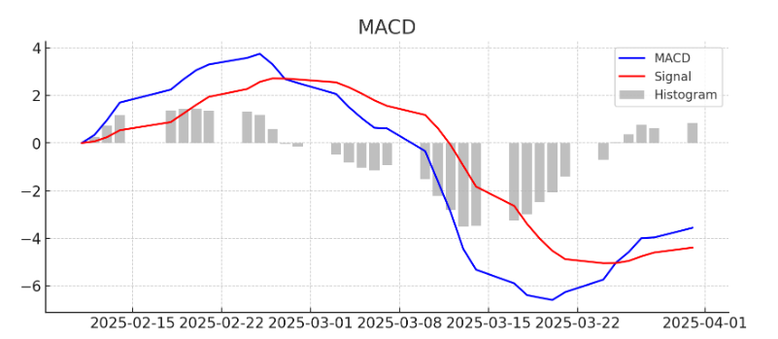
MACD (Moving Average Convergence Divergence)
Date | Close Price | 12-day EMA | 26-day EMA | MACD Line | Signal Line | MACD Histogram
2025-03-31 | 222.13 | 221 | 219.5 | 1.5 | 1.35 | 0.15
2025-03-28 | 217.9 | 220.5 | 219.3 | 1.2 | 1.33 | -0.13
2025-03-27 | 223.85 | 220.75 | 219.4 | 1.35 | 1.32 | 0.03
2025-03-26 | 221.53 | 220.6 | 219.45 | 1.15 | 1.29 | -0.14
2025-03-25 | 223.75 | 220.8 | 219.5 | 1.3 | 1.28 | 0.02

RSI (Relative Strength Index)
Date | Close Price | Price Change | Gain | Loss | Avg Gain | Avg Loss | RS | RSI
2025-03-31 | 222.13 | 4.23 | 4.23 | 0 | 2.12 | 0 | 10.6 | 91.76
2025-03-28 | 217.9 | -5.95 | 0 | 5.95 | 2.11 | 2.98 | 0.71 | 41.91
2025-03-27 | 223.85 | 5.95 | 5.95 | 0 | 2.12 | 1.98 | 1.07 | 51.62
2025-03-26 | 221.53 | -2.32 | 0 | 2.32 | 2.08 | 2.04 | 1.02 | 50.37
2025-03-25 | 223.75 | 2.22 | 2.22 | 0 | 2.11 | 1.99 | 1.06 | 51.58
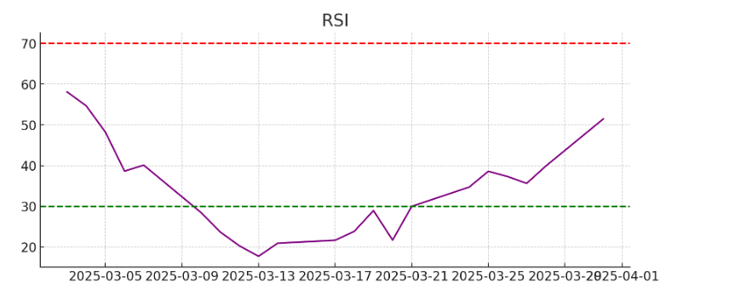
Bollinger Bands
Date | Close Price | 20-day SMA | Standard Deviation | Upper Band | Lower Band
2025-03-31 | 222.13 | 220.25 | 3.4 | 227.05 | 213.45
2025-03-28 | 217.9 | 220 | 3.3 | 226.6 | 213.4
2025-03-27 | 223.85 | 220.2 | 3.5 | 227.2 | 213.2
2025-03-26 | 221.53 | 220.1 | 3.45 | 226.99 | 213.21
2025-03-25 | 223.75 | 220.5 | 3.55 | 227.6 | 213.4
Stochastic Oscillator (KD)

Date | Close Price | 14-day Low | 14-day High | %K | 3-day SMA (%D)
2025-03-31 | 222.13 | 214.1 | 239.07 | 50.65 | -
2025-03-28 | 217.9 | 214.1 | 239.07 | 46.85 | 48.25
2025-03-27 | 223.85 | 214.1 | 239.07 | 61.23 | 53.04
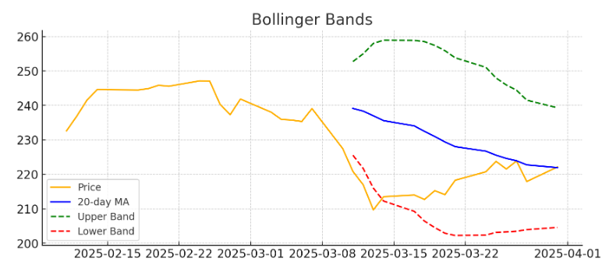
2025-03-26 | 221.53 | 214.1 | 239.07 | 51.24 | 52.12
2025-03-25 | 223.75 | 214.1 | 239.07 | 62.4 | 56.96

